Measure of central tendency
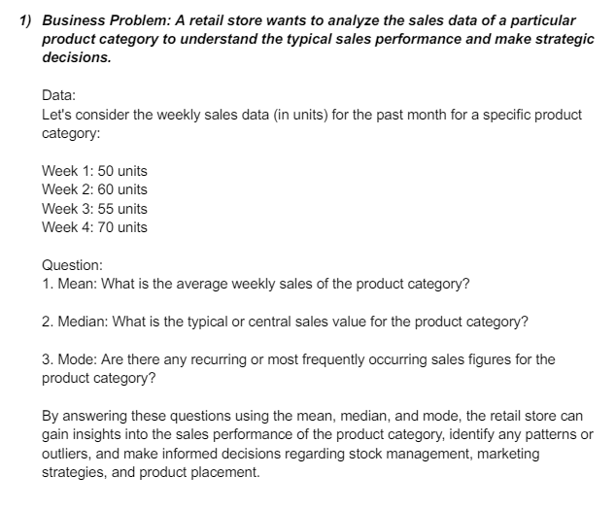

 | Week 1: | 50
 | Week 2: | 60
 | Week 3: | 55
 | Week 4: | 70

 | MEAN | 58.75
 | MEDIAN | 57.5

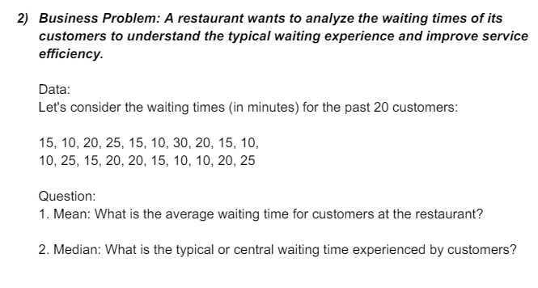

Orders
15
10
20
25
15
10
30
20 |  | MEAN | 17
15 |  | MEDIAN | 15
10 |  | MODE | 10
10
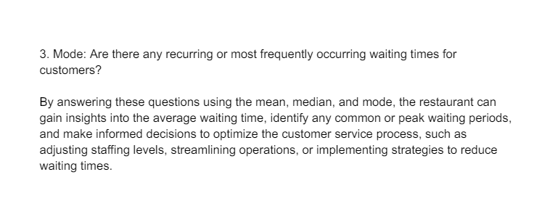
25
15
20
20
15
10
10
20
25

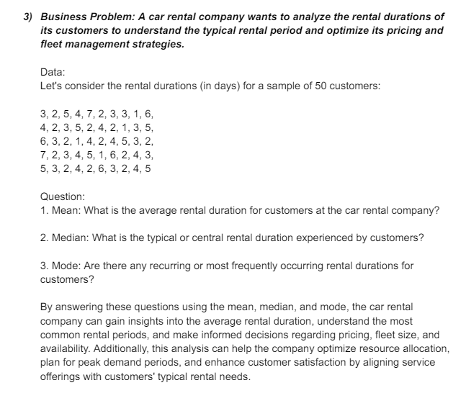
Sample
3 | 4 | 6 | 7 | 5
2 | 2 | 3 | 2 | 3
5 | 3 | 2 | 3 | 2
4 | 5 | 1 | 4 | 4
7 | 2 | 4 | 5 | 2
2 | 4 | 2 | 1 | 6
3 | 2 | 4 | 6 | 3
3 | 1 | 5 | 2 | 2
1 | 3 | 3 | 4 | 4
6 | 5 | 2 | 3 | 5

MEAN | 3.44
MEDIAN | 3
MODE | 2

Measure of dispersion
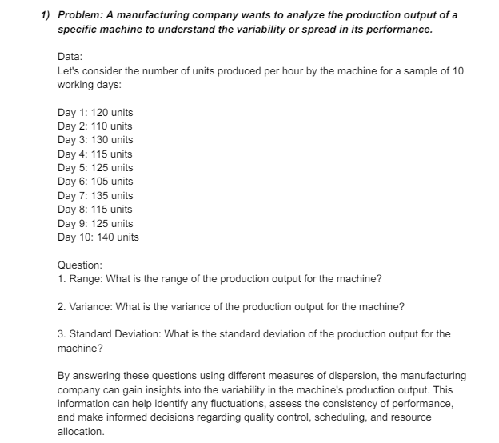

 | Units
 | 120
 | 110
 | 130
 | 115
 | 125
 | 105
 | 135
 | 115
 | 125
 | 140

 |  |  | Column1

 |  |  | Mean | 122
 |  |  | Standard Error | 3.5118845843
 |  |  | Median | 122.5
 |  |  | Mode | 115
 |  |  | Standard Deviation | 11.105554166
 |  |  | Sample Variance | 123.33333333
 |  |  | Kurtosis | -0.79711468225
 |  |  | Skewness | 0.12776660198
 |  |  | Range | 35
 |  |  | Minimum | 105
 |  |  | Maximum | 140
 |  |  | Sum | 1220
 |  |  | Count | 10

Sales
 |  |  | Column1
500
700 |  |  | Mean | 603.33333333
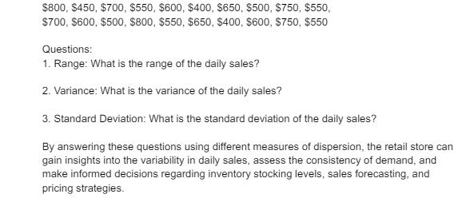
400 |  |  | Standard Error | 21.963048034
600 |  |  | Median | 600
550 |  |  | Mode | 600
750 |  |  | Standard Deviation | 120.2965684
650 |  |  | Sample Variance | 14471.264368
500 |  |  | Kurtosis | -0.83982661724
600 |  |  | Skewness | 0.027636981733
550 |  |  | Range | 400
800 |  |  | Minimum | 400
450 |  |  | Maximum | 800
700 |  |  | Sum | 18100
550 |  |  | Count | 30
600
400
650
500
750
550
700
600
500
800
550
650
400
600
750
800

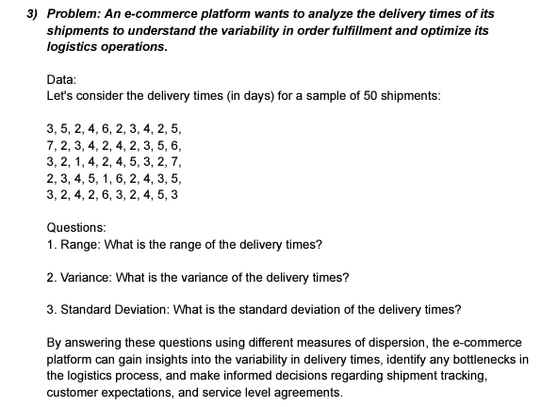
 | Data
 | 3
 | 5
 | 2 |  | Data
 | 4
 | 6 |  | Mean | 3.52
 | 2 |  | Standard Error | 0.21616320365
 | 3 |  | Median | 3
 | 4 |  | Mode | 2
 | 2 |  | Standard Deviation | 1.5285046714
 | 5 |  | Sample Variance | 2.3363265306
 | 7 |  | Kurtosis | -0.50951156518
 | 2 |  | Skewness | 0.51422075032
 | 3 |  | Range | 6
 | 4 |  | Minimum | 1
 | 2 |  | Maximum | 7
 | 4 |  | Sum | 176
 | 2 |  | Count | 50
 | 3
 | 5
 | 6
 | 3
 | 2
 | 1
 | 4
 | 2
 | 4
 | 5
 | 3
 | 2
 | 7
 | 2
 | 3
 | 4
 | 5
 | 1
 | 6
 | 2
 | 4
 | 3
 | 5
 | 3
 | 2
 | 4
 | 2
 | 6
 | 3
 | 2
 | 4
 | 5
 | 3

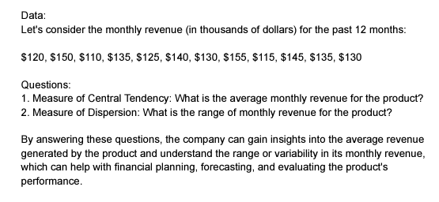
 | 120
 | 150 |  | Column1
 | 110 |  |  |  |  | Average Revenue
 | 135 |  | Mean | 132.5 |  | 132.5
 | 125 |  | Standard Error | 3.9648073055
 | 140 |  | Median | 132.5
Measure of Central Tendency: What is the average monthly revenue for the product? $132.5
Measure of Dispersion: What is the range of monthly revenue for the product? 45
 | 130 |  | Mode | 135
 | 155 |  | Standard Deviation | 13.734495391
 | 115 |  | Sample Variance | 188.63636364
 | 145 |  | Kurtosis | -0.68787922775
 | 135 |  | Skewness | 2.422304781E-17
 | 130 |  | Range | 45
 |  |  | Minimum | 110
 |  |  | Maximum | 155
 |  |  | Sum | 1590
 |  |  | Count | 12

 | Ratings
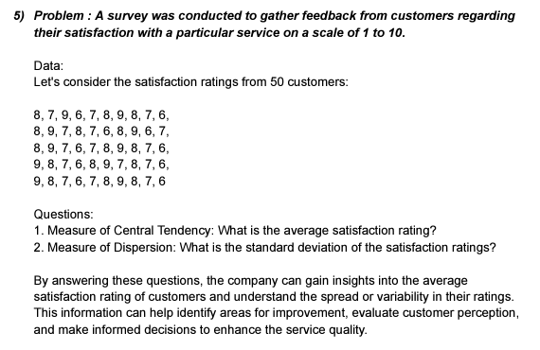
 | 8
 | 7
 | 9 |  | Column1
 | 6 |  |  |  |  | Average Rating
 | 7 |  | Mean | 7.5
 | 8 |  | Standard Error | 0.14638501094 |  | 7.5
 | 9 |  | Median | 7.5
 | 8 |  | Mode | 8
 | 7 |  | Standard Deviation | 1.035098339
 | 6 |  | Sample Variance | 1.0714285714
 | 8 |  | Kurtosis | -1.1205673759
 | 9 |  | Skewness | 0
 | 7 |  | Range | 3
 | 8 |  | Minimum | 6
 | 7 |  | Maximum | 9
 | 6 |  | Sum | 375
 | 8 |  | Count | 50
 | 9
 | 6
 | 7
 | 8
Measure of Central Tendency: What is the average satisfaction rating? 7.5
Measure of Dispersion: What is the standard deviation of the satisfaction ratings? 1.035098339
 | 9
 | 7
 | 6
 | 7
 | 8
 | 9
 | 8
 | 7
 | 6
 | 9
 | 8
 | 7
 | 6
 | 8
 | 9
 | 7
 | 8
 | 7
 | 6
 | 9
 | 8
 | 7
 | 6
 | 7
 | 8
 | 9
 | 8
 | 7
 | 6

 | Sample
 | 8
 | 9
 | 10 |  | Column1 |  |  | Average wait time
 | 10
 | 11 |  | Mean | 16.74 |  | 16.74
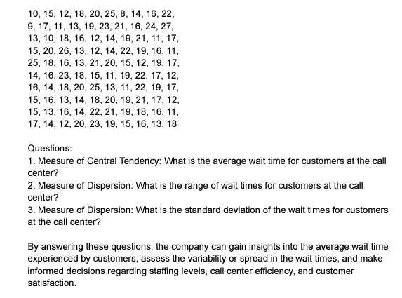
 | 11 |  | Standard Error | 0.41429506881
 | 11 |  | Median | 16
 | 11 |  | Mode | 16
 | 11 |  | Standard Deviation | 4.1429506881
 | 11 |  | Sample Variance | 17.164040404
 | 12 |  | Kurtosis | -0.47484034316
 | 12 |  | Skewness | 0.27208953553
 | 12 |  | Range | 19
 | 12 |  | Minimum | 8
 | 12 |  | Maximum | 27
 | 12 |  | Sum | 1674
 | 12 |  | Count | 100
 | 13
 | 13
 | 13
 | 13
Measure of Central Tendency: What is the average wait time for customers at the call center? 16.34 minutes
Measure of Dispersion: What is the range of wait times for customers at the call center? 19 mintues
Measure of Dispersion: What is the standard deviation of the wait times for customers at the call center? 4.142950688
 | 13
 | 13
 | 13
 | 13
 | 14
 | 14
 | 14
 | 14
 | 14
 | 14
 | 14
 | 14
 | 15
 | 15
 | 15
 | 15
 | 15
 | 15
 | 15
 | 16
 | 16
 | 16
 | 16
 | 16
 | 16
 | 16
 | 16
 | 16
 | 16
 | 16
 | 17
 | 17
 | 17
 | 17
 | 17
 | 17
 | 17
 | 18
 | 18
 | 18
 | 18
 | 18
 | 18
 | 18
 | 18
 | 19
 | 19
 | 19
 | 19
 | 19
 | 19
 | 19
 | 19
 | 19
 | 20
 | 20
 | 20
 | 20
 | 20
 | 20
 | 21
 | 21
 | 21
 | 21
 | 21
 | 22
 | 22
 | 22
 | 22
 | 22
 | 23
 | 23
 | 23
 | 24
 | 25
 | 25
 | 25
 | 26
 | 27

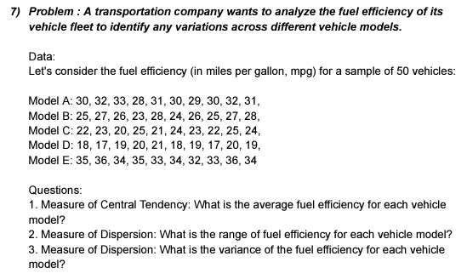
 | Model A | Model B | Model C | Model D | Model E
 | 30 | 25 | 22 | 18 | 35
 | 32 | 27 | 23 | 17 | 36
 | 33 | 26 | 20 | 19 | 34
 | 28 | 23 | 25 | 20 | 35
 | 31 | 28 | 21 | 21 | 33
 | 30 | 24 | 24 | 18 | 34
 | 29 | 26 | 23 | 19 | 32
 | 30 | 25 | 22 | 17 | 33
 | 32 | 27 | 25 | 20 | 36
 | 31 | 28 | 24 | 19 | 34

 | Model A |  | Model B |  | Model C |  | Model D |  | Model E

 | Mean | 30.6 | Mean | 25.9 | Mean | 22.9 | Mean | 18.8 | Mean | 34.2
 | Standard Error | 0.47609522857 | Standard Error | 0.52599112794 | Standard Error | 0.52599112794 | Standard Error | 0.41633319989 | Standard Error | 0.41633319989
 | Median | 30.5 | Median | 26 | Median | 23 | Median | 19 | Median | 34
 | Mode | 30 | Mode | 25 | Mode | 22 | Mode | 19 | Mode | 34
 | Standard Deviation | 1.5055453054 | Standard Deviation | 1.6633299933 | Standard Deviation | 1.6633299933 | Standard Deviation | 1.3165611772 | Standard Deviation | 1.3165611772
Measure of Central Tendency: What is the average fuel efficiency for each vehicle model?
Model A = 30.6
Model B = 25.9
Model C = 22.9
Model D = 18.8
Measure of Dispersion: What is the range of fuel efficiency for each vehicle model?
Model A = 5
Model B = 5
Model C = 5
Model D = 4
Model E = 4
Measure of Dispersion: What is the variance of the fuel efficiency for each vehicle model?
Model A = 2.2667
Model B = 2.7666
Model C = 2.7666
Model D = 1.7333
Model E = 1.7333
 | Sample Variance | 2.2666666667 | Sample Variance | 2.7666666667 | Sample Variance | 2.7666666667 | Sample Variance | 1.7333333333 | Sample Variance | 1.7333333333
 | Kurtosis | -0.36517548196 | Kurtosis | -0.72102523692 | Kurtosis | -0.72102523692 | Kurtosis | -0.75126796281 | Kurtosis | -0.75126796281
 | Skewness | -0.11721373485 | Skewness | -0.3476840166 | Skewness | -0.3476840166 | Skewness | 0.087640906767 | Skewness | -0.087640906767
 | Range | 5 | Range | 5 | Range | 5 | Range | 4 | Range | 4
 | Minimum | 28 | Minimum | 23 | Minimum | 20 | Minimum | 17 | Minimum | 32
 | Maximum | 33 | Maximum | 28 | Maximum | 25 | Maximum | 21 | Maximum | 36
 | Sum | 306 | Sum | 259 | Sum | 229 | Sum | 188 | Sum | 342
 | Count | 10 | Count | 10 | Count | 10 | Count | 10 | Count | 10

 | Average fuel of Model A |  | Average Fuel of Model B |  | Average Fuel Of Model C |  | Average Of Model D |  | Average Of Model E
 | 30.6 |  | 25.9 |  | 22.9 |  | 18.8 |  | 34.2

More Statistics question
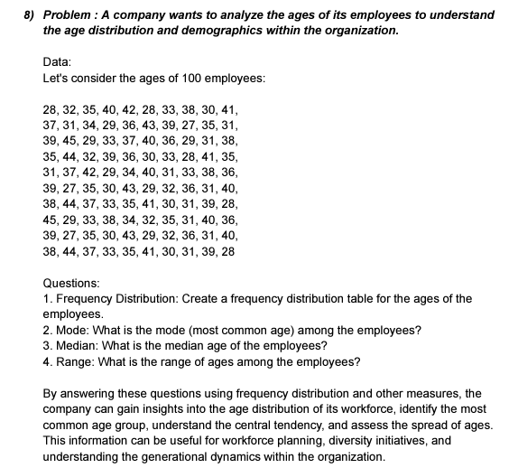
 |  | Ages
 |  | 27
 |  | 27 |  | Column1
 |  | 27
 |  | 28 |  | Mean | 34.99
 |  | 28 |  | Standard Error | 0.48147395747
Histogram
 |  | 28 |  | Median | 35
 |  | 28 |  | Mode | 31
 |  | 28 |  | Standard Deviation | 4.8147395747
 |  | 29 |  | Sample Variance | 23.181717172
 |  | 29 |  | Kurtosis | -0.92902084097
 |  | 29 |  | Skewness | 0.22180236399
 |  | 29 |  | Range | 18
 |  | 29 |  | Minimum | 27
 |  | 29 |  | Maximum | 45
 |  | 29 |  | Sum | 3499
 |  | 30 |  | Count | 100
 |  | 30
 |  | 30
 |  | 30 |  | Bin | Frequency | Bin | Frequency
 |  | 30 |  | 27 | 3 | 36 | 16
 |  | 30 |  | 28.8 | 5 | 32.4 | 15
 |  | 31 |  | 30.6 | 13 | 30.6 | 13
 |  | 31 |  | 32.4 | 15 | 39.6 | 13
 |  | 31 |  | 34.2 | 10 | 34.2 | 10
 |  | 31 |  | 36 | 16 | 41.4 | 10
 |  | 31 |  | 37.8 | 5 | 28.8 | 5
Mode: What is the mode (most common age) among the employees ? 31
Median: What is the median age of the employees? 35
Range: What is the range of ages among the employees? 18
 |  | 31 |  | 39.6 | 13 | 37.8 | 5
 |  | 31 |  | 41.4 | 10 | 43.2 | 5
 |  | 31 |  | 43.2 | 5 | More | 5
 |  | 31 |  | More | 5 | 27 | 3
 |  | 31
 |  | 32
 |  | 32
 |  | 32
 |  | 32
 |  | 32
 |  | 33
 |  | 33
 |  | 33
 |  | 33
 |  | 33
 |  | 33
 |  | 33
 |  | 34
 |  | 34
 |  | 34
 |  | 35
 |  | 35
 |  | 35
 |  | 35
 |  | 35
 |  | 35
 |  | 35
 |  | 35
 |  | 35
 |  | 36
 |  | 36
 |  | 36
 |  | 36
 |  | 36
 |  | 36
 |  | 36
 |  | 37
 |  | 37
 |  | 37
 |  | 37
 |  | 37
 |  | 38
 |  | 38
 |  | 38
 |  | 38
 |  | 38
 |  | 38
 |  | 39
 |  | 39
 |  | 39
 |  | 39
 |  | 39
 |  | 39
 |  | 39
 |  | 40
 |  | 40
 |  | 40
 |  | 40
 |  | 40
 |  | 40
 |  | 41
 |  | 41
 |  | 41
 |  | 41
 |  | 42
 |  | 42
 |  | 43
 |  | 43
 |  | 43
 |  | 44
 |  | 44
 |  | 44
 |  | 45
 |  | 45

Purchase amounts
28
35 |  | Column1 |  |  | Bin | Frequency | Cumulative % | Bin | Frequency | Cumulative %
36 |  |  |  |  | 28 | 1 | 2.00% | 47.285714286 | 11 | 22.00%
38 |  | Mean | 50.7 |  | 34.428571429 | 0 | 2.00% | 60.142857143 | 11 | 44.00%
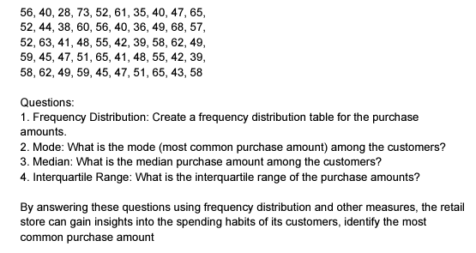
39 |  | Standard Error | 1.3959854978 |  | 40.857142857 | 8 | 18.00% | 53.714285714 | 10 | 64.00%
39 |  | Median | 50 |  | 47.285714286 | 11 | 40.00% | 40.857142857 | 8 | 80.00%
40 |  | Mode | 40 |  | 53.714285714 | 10 | 60.00% | 66.571428571 | 7 | 94.00%
40 |  | Standard Deviation | 9.8711081197 |  | 60.142857143 | 11 | 82.00% | More | 2 | 98.00%
40 |  | Sample Variance | 97.43877551 |  | 66.571428571 | 7 | 96.00% | 28 | 1 | 100.00%
41 |  | Kurtosis | -0.58897234452 |  | More | 2 | 100.00% | 34.428571429 | 0 | 100.00%
41 |  | Skewness | 0.056612504166
42 |  | Range | 45
42 |  | Minimum | 28
43 |  | Maximum | 73
44 |  | Sum | 2535
45 |  | Count | 50
45
47 |  | Q1 | Q2 | Q3
47 |  | 42.25 | 50 | 58
47
48 |  | Interquartile Range
48 |  | 15.75
49
Mode: What is the mode (most common purchase amount) among the customers? 40
Median: What is the median purchase amount among the customers? 50
InterQuartile Range: 15.75
49
49
51
51
52
52
52
55
55
56
56
57
58
58
58
59
59
60
61
62
62
63
65
65
65
68
73

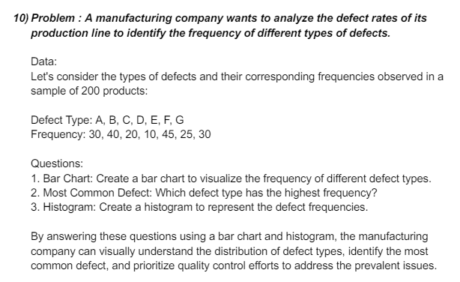
 | Defect data type | Frequency
 | A | 30
 | B | 40
 | C | 20
 | D | 10
 | E | 45
 | F | 25
 | G | 30

 | Row Labels | Sum of Frequency
 | A | 30
 | B | 40
 | C | 20
 | D | 10
 | E | 45
 | F | 25
 | G | 30
 | Grand Total | 200

 | A | 4 | 5 | 3 | 4 | 4 | 3 | 2 | 5 | 4 | 3
 | B | 5 | 4 | 2 | 3 | 4 | 5 | 3 | 4 | 5 | 3
 | C | 4 | 3 | 2 | 4 | 5 | 3 | 4 | 5 | 4 | 3
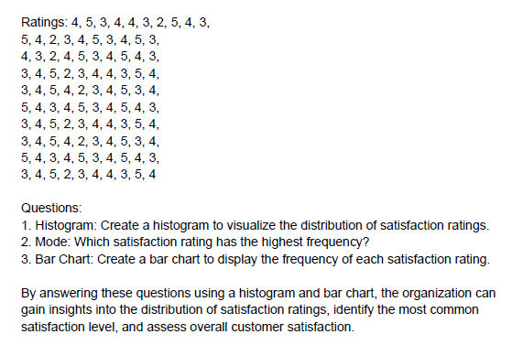
 | D | 3 | 4 | 5 | 2 | 3 | 4 | 4 | 3 | 5 | 4
 | E | 3 | 4 | 5 | 4 | 2 | 3 | 4 | 5 | 3 | 4
 | F | 5 | 4 | 3 | 4 | 5 | 3 | 4 | 5 | 4 | 3
 | G | 3 | 4 | 5 | 2 | 3 | 4 | 4 | 3 | 5 | 4
 | H | 3 | 4 | 5 | 4 | 2 | 3 | 4 | 5 | 3 | 4
 | I | 5 | 4 | 3 | 4 | 5 | 3 | 4 | 5 | 4 | 3
 | J | 3 | 4 | 5 | 2 | 3 | 4 | 4 | 3 | 5 | 4

 | A |  | B |  | C |  | D |  | E |  | F |  | G |  | H |  | I |  | J

 | Mean | 3.75 | Mean | 3.75 | Mean | 3.75 | Mean | 3.5 | Mean | 3.75 | Mean | 4.125 | Mean | 3.5 | Mean | 3.75 | Mean | 4.125 | Mean | 3.5
 | Standard Error | 0.36596252736 | Standard Error | 0.36596252736 | Standard Error | 0.36596252736 | Standard Error | 0.32732683535 | Standard Error | 0.36596252736 | Standard Error | 0.29504842218 | Standard Error | 0.32732683535 | Standard Error | 0.36596252736 | Standard Error | 0.29504842218 | Standard Error | 0.32732683535
 | Median | 4 | Median | 4 | Median | 4 | Median | 3.5 | Median | 4 | Median | 4 | Median | 3.5 | Median | 4 | Median | 4 | Median | 3.5
 | Mode | 4 | Mode | 4 | Mode | 4 | Mode | 3 | Mode | 4 | Mode | 5 | Mode | 3 | Mode | 4 | Mode | 5 | Mode | 3
 | Standard Deviation | 1.035098339 | Standard Deviation | 1.035098339 | Standard Deviation | 1.035098339 | Standard Deviation | 0.92582009977 | Standard Deviation | 1.035098339 | Standard Deviation | 0.8345229604 | Standard Deviation | 0.92582009977 | Standard Deviation | 1.035098339 | Standard Deviation | 0.8345229604 | Standard Deviation | 0.92582009977
 | Sample Variance | 1.0714285714 | Sample Variance | 1.0714285714 | Sample Variance | 1.0714285714 | Sample Variance | 0.85714285714 | Sample Variance | 1.0714285714 | Sample Variance | 0.69642857143 | Sample Variance | 0.85714285714 | Sample Variance | 1.0714285714 | Sample Variance | 0.69642857143 | Sample Variance | 0.85714285714
 | Kurtosis | -0.448 | Kurtosis | -0.448 | Kurtosis | -0.448 | Kurtosis | 0 | Kurtosis | -0.448 | Kurtosis | -1.3917159763 | Kurtosis | 0 | Kurtosis | -0.448 | Kurtosis | -1.3917159763 | Kurtosis | 0
 | Skewness | -0.38643671323 | Skewness | -0.38643671323 | Skewness | -0.38643671323 | Skewness | 0 | Skewness | -0.38643671323 | Skewness | -0.27652831824 | Skewness | 0 | Skewness | -0.38643671323 | Skewness | -0.27652831824 | Skewness | 0
 | Range | 3 | Range | 3 | Range | 3 | Range | 3 | Range | 3 | Range | 2 | Range | 3 | Range | 3 | Range | 2 | Range | 3
 | Minimum | 2 | Minimum | 2 | Minimum | 2 | Minimum | 2 | Minimum | 2 | Minimum | 3 | Minimum | 2 | Minimum | 2 | Minimum | 3 | Minimum | 2
 | Maximum | 5 | Maximum | 5 | Maximum | 5 | Maximum | 5 | Maximum | 5 | Maximum | 5 | Maximum | 5 | Maximum | 5 | Maximum | 5 | Maximum | 5
 | Sum | 30 | Sum | 30 | Sum | 30 | Sum | 28 | Sum | 30 | Sum | 33 | Sum | 28 | Sum | 30 | Sum | 33 | Sum | 28
 | Count | 8 | Count | 8 | Count | 8 | Count | 8 | Count | 8 | Count | 8 | Count | 8 | Count | 8 | Count | 8 | Count | 8

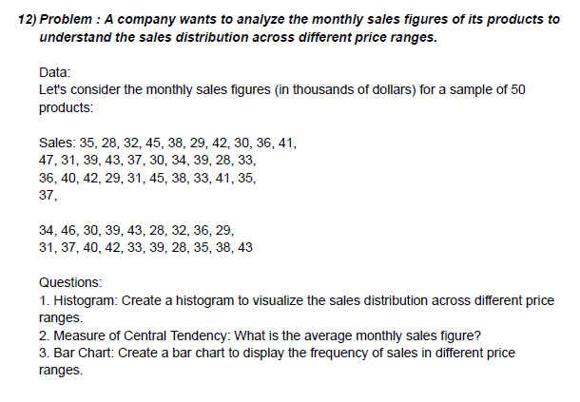

 |  |  |  | Sales |  | Sales
 |  |  |  | 35
 |  |  |  | 28 |  | Mean | 36.183673469
 |  |  |  | 32 |  | Standard Error | 0.77737646906
 |  |  |  | 45 |  | Median | 36
 |  |  |  | 38 |  | Mode | 28
 |  |  |  | 29 |  | Standard Deviation | 5.4416352834
 |  |  |  | 42 |  | Sample Variance | 29.611394558
 |  |  |  | 30 |  | Kurtosis | -1.0381064876
 |  |  |  | 36 |  | Skewness | 0.11801234114
 |  |  |  | 41 |  | Range | 19
 |  |  |  | 47 |  | Minimum | 28
 |  |  |  | 31 |  | Maximum | 47
 |  |  |  | 39 |  | Sum | 1773
 |  |  |  | 43 |  | Count | 49
 |  |  |  | 37
 |  |  |  | 30
 |  |  |  | 34 |  | Bin | Frequency
 |  |  |  | 39 |  | 28 | 4
 |  |  |  | 28 |  | 30.714285714 | 6
 |  |  |  | 33 |  | 33.428571429 | 8
 |  |  |  | 36 |  | 36.142857143 | 7
 |  |  |  | 40 |  | 38.857142857 | 6
 |  |  |  | 42 |  | 41.571428571 | 8
 |  |  |  | 29 |  | 44.285714286 | 6
 |  |  |  | 31 |  | More | 4
 |  |  |  | 45
 |  |  |  | 38
 |  |  |  | 33
 |  |  |  | 41
 |  |  |  | 35
 |  |  |  | 37
 |  |  |  | 46
 |  |  |  | 30
 |  |  |  | 39
 |  |  |  | 43
 |  |  |  | 28
 |  |  |  | 32
 |  |  |  | 36
 |  |  |  | 29
 |  |  |  | 31
 |  |  |  | 37
 |  |  |  | 40
 |  |  |  | 42
 |  |  |  | 33
 |  |  |  | 39
 |  |  |  | 28
 |  |  |  | 35
 |  |  |  | 38
 |  |  |  | 43

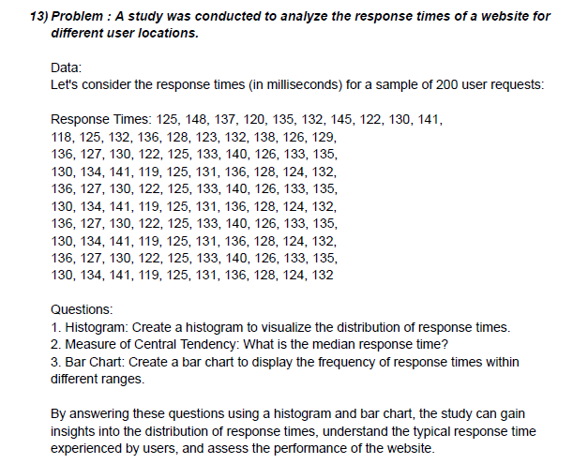
 |  |  | Response Time
 |  |  | 125 |  | Response Time
 |  |  | 148
 |  |  | 137 |  | Mean | 130.12903226
 |  |  | 120 |  | Standard Error | 1.3462348415
 |  |  | 135 |  | Median | 130
 |  |  | 132 |  | Mode | 125
 |  |  | 145 |  | Standard Deviation | 7.4955183743
 |  |  | 122 |  | Sample Variance | 56.182795699
 |  |  | 130 |  | Kurtosis | -0.12068664243
 |  |  | 141 |  | Skewness | 0.52286541634
 |  |  | 118 |  | Range | 30
 |  |  | 125 |  | Minimum | 118
 |  |  | 132 |  | Maximum | 148
 |  |  | 136 |  | Sum | 4034
 |  |  | 128 |  | Count | 31
 |  |  | 123
 |  |  | 132
 |  |  | 129
 |  |  | 136
 |  |  | 127
 |  |  | 130
 |  |  | 122
 |  |  | 125
 |  |  | 141
 |  |  | 119
 |  |  | 125
 |  |  | 131
 |  |  | 136
 |  |  | 128
 |  |  | 124
 |  |  | 132

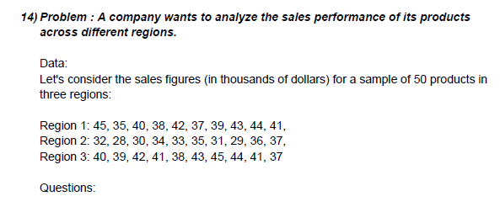
 |  | Region 1 | Region 2 | Region 3
 |  | 45 | 32 | 40
 |  | 35 | 28 | 39
 |  | 40 | 30 | 42
 |  | 38 | 34 | 41
 |  | 42 | 33 | 38
 |  | 37 | 35 | 43
 |  | 39 | 31 | 45
 |  | 43 | 29 | 44
 |  | 44 | 36 | 41
 |  | 41 | 37 | 37

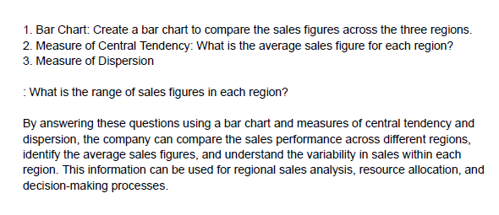
 |  | Region 1 |  | Region 2 |  | Region 3

 |  | Mean | 40.4 | Mean | 32.5 | Mean | 41
 |  | Standard Error | 1.0132456102 | Standard Error | 0.95742710776 | Standard Error | 0.81649658093
 |  | Median | 40.5 | Median | 32.5 | Median | 41
 |  | Mode | #N/A | Mode | #N/A | Mode | 41
 |  | Standard Deviation | 3.2041639575 | Standard Deviation | 3.0276503541 | Standard Deviation | 2.5819888975
 |  | Sample Variance | 10.266666667 | Sample Variance | 9.1666666667 | Sample Variance | 6.6666666667
 |  | Kurtosis | -0.84183673469 | Kurtosis | -1.2 | Kurtosis | -0.8625
 |  | Skewness | -0.20063178769 | Skewness | 0 | Skewness | 0
 |  | Range | 10 | Range | 9 | Range | 8
 |  | Minimum | 35 | Minimum | 28 | Minimum | 37
 |  | Maximum | 45 | Maximum | 37 | Maximum | 45
 |  | Sum | 404 | Sum | 325 | Sum | 410
 |  | Count | 10 | Count | 10 | Count | 10

Measure of Skewness & kurtosis
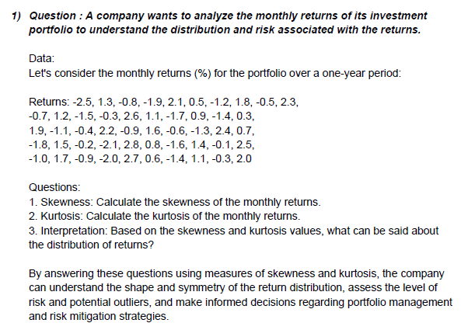
retruns |  | retruns
-1.3
2.9 |  | Mean | 0.048387096774
-6.5 |  | Standard Error | 0.90913962598
4.4 |  | Median | -1.3
-3.2 |  | Mode | 5.3
5.3 |  | Standard Deviation | 5.0618752104
-2.3 |  | Sample Variance | 25.622580645
5.3 |  | Kurtosis | -1.4761476655
-3.1 |  | Skewness | -0.13510041201
1.9 |  | Range | 16.5
-3.1 |  | Minimum | -8.3
4.7 |  | Maximum | 8.2
-6.7 |  | Sum | 1.5
6.4 |  | Count | 31
-7.2
3.4
-4.2
5.7
-7.1
8.2
-6.9
4.9
-3.9
4.2
-1.7
4.9
-8.3
4.2
-1.6
5.6
-3.4

incomes |  | incomes
2.3
4.5 |  | Mean | 4.6777777778
3.5 |  | Standard Error | 0.35066875343
2.9 |  | Median | 4.5
4.9 |  | Mode | 3.5
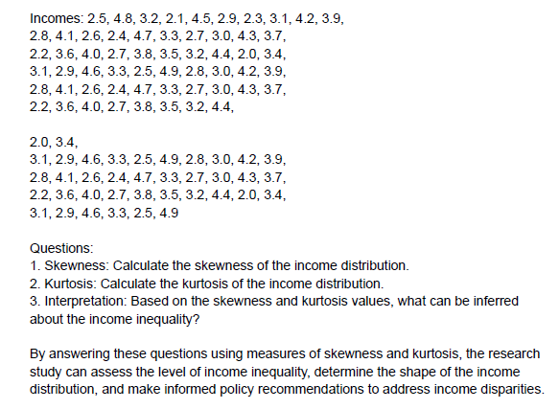
3.5 |  | Standard Deviation | 2.3523575108
8.3 |  | Sample Variance | 5.5335858586
7.6 |  | Kurtosis | -0.91856948662
8.4 |  | Skewness | 0.31706026477
2.3 |  | Range | 8.3
1.3 |  | Minimum | 1.1
2.9 |  | Maximum | 9.4
4.6 |  | Sum | 210.5
7.9 |  | Count | 45
7.4
1.3
3.9
8.8
4.2
4.9
4.4
1.8
3.6
4.6
6.4
3.4
1.2
3.5
9.4
7.8
5.6
1.3
7.3
4.9
4.9
7.5
6.3
2.8
5.5
8.2
1.9
3.7
4.5
1.1
3.5

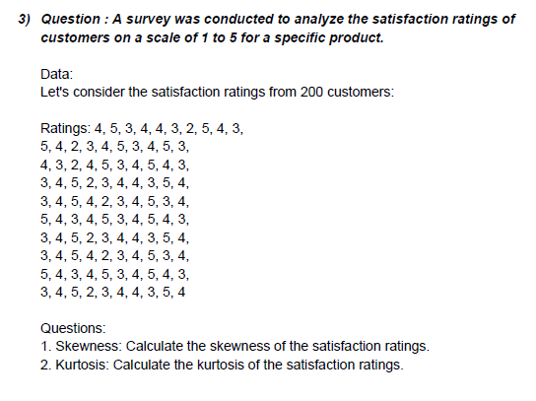
ratings |  | ratings
6
4 |  | Mean | 4.8
2 |  | Standard Error | 0.40064051282
9 |  | Median | 5
4 |  | Mode | 4
7 |  | Standard Deviation | 2.5338730869
2 |  | Sample Variance | 6.4205128205
3 |  | Kurtosis | -0.85556729001
5 |  | Skewness | 0.18674169474
6 |  | Range | 8
7 |  | Minimum | 1
1 |  | Maximum | 9
6 |  | Sum | 192
2 |  | Count | 40
9
5
5
4
4
9
4
2
1
3
6
4
9
4
1
1
7
9
5
6
1
5
3
7
5
9

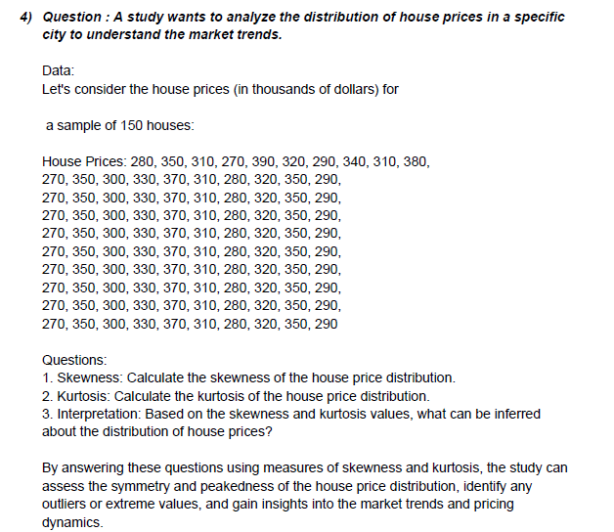
 | house prices |  | house prices
 | 200
 | 210 |  | Mean | 503.42857143
 | 350 |  | Standard Error | 45.6400658
 | 500 |  | Median | 450
 | 650 |  | Mode | 450
 | 450 |  | Standard Deviation | 270.01027058
 | 120 |  | Sample Variance | 72905.546218
 | 350 |  | Kurtosis | -1.1726397714
 | 450 |  | Skewness | 0.13591966465
 | 700 |  | Range | 830
 | 950 |  | Minimum | 120
 | 900 |  | Maximum | 950
 | 850 |  | Sum | 17620
 | 800 |  | Count | 35
 | 520
 | 150
 | 650
 | 450
 | 230
 | 780
 | 950
 | 450
 | 650
 | 500
 | 200
 | 120
 | 320
 | 780
 | 450
 | 650
 | 120
 | 350
 | 120
 | 750
 | 950

waiting times |  | waiting times
12
18 |  | Mean | 16.024390244
17 |  | Standard Error | 0.62809021886
22 |  | Median | 16
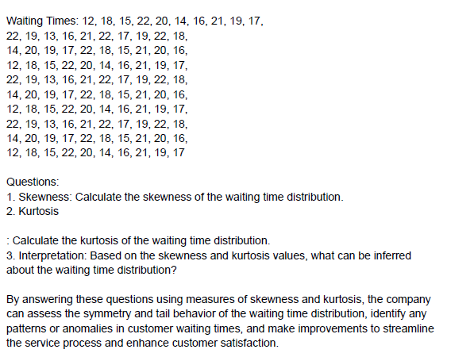
23 |  | Mode | 14
24 |  | Standard Deviation | 4.0217397036
20 |  | Sample Variance | 16.174390244
15 |  | Kurtosis | 2.5902744361
18 |  | Skewness | -0.59810707138
15 |  | Range | 22
14 |  | Minimum | 2
13 |  | Maximum | 24
11 |  | Sum | 657
12 |  | Count | 41
16
15
14
18
19
2
23
21
12
14
13
15
14
16
18
19
17
14
17
21
15
16
17
18
14
12
13

Questions on percentile & quar
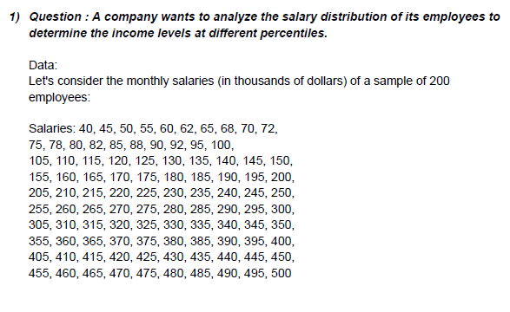
40 |  | Q1 | 128.75
45 |  | Q2 | 252.5
50 |  | Q3 | 376.25
55
60 |  | 10 percentile | 72.3
62 |  | 25 percentile | 126.25
65 |  | 75th percentile | 378.75
68 |  | 90th percentile | 454.5
70
72
75
78
80
82
85
88
90
92
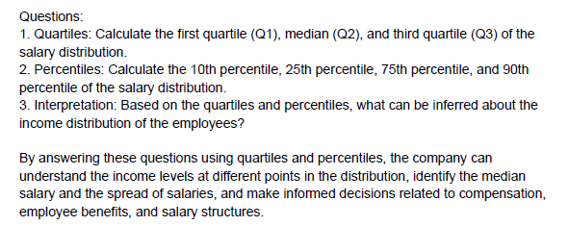
95
100
105
110
115
120
125
130
135
140
145
150
155
160
165
170
175
180
185
190
195
200
205
210
215
220
225
230
235
240
245
250
255
260
265
270
275
280
285
290
295
300
305
310
315
320
325
330
335
340
345
350
355
360
365
370
375
380
385
390
395
400
405
410
415
420
425
430
435
440
445
450
455
460
465
470
475
480
485
490
495
500

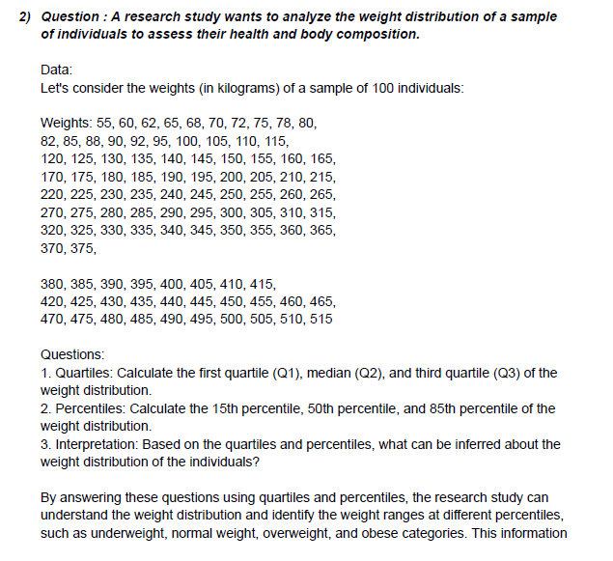
 | 55
 | 60
 | 62 | Q1 | 143.75
 | 65 | Q2 | 267.5
 | 68 | Q3 | 391.25
 | 70
 | 72 | 15 Percentile | 92.45
 | 75 | 50 Percentile | 267.5
 | 78 | 85 Percentile | 444.25
 | 80
 | 82
 | 85
 | 88
 | 90
 | 92
 | 95
 | 100
 | 105
 | 110
 | 115
 | 120
 | 125
 | 130
 | 135
 | 140
 | 145
 | 150
 | 155
 | 160
 | 165
 | 170
 | 175
 | 180
 | 185
 | 190
 | 195
 | 200
 | 205
 | 210
 | 215
 | 220
 | 225
 | 230
 | 235
 | 240
 | 245
 | 250
 | 255
 | 260
 | 265
 | 270
 | 275
 | 280
 | 285
 | 290
 | 295
 | 300
 | 305
 | 310
 | 315
 | 320
 | 325
 | 330
 | 335
 | 340
 | 345
 | 350
 | 355
 | 360
 | 365
 | 370
 | 375
 | 380
 | 385
 | 390
 | 395
 | 400
 | 405
 | 410
 | 415
 | 420
 | 425
 | 430
 | 435
 | 440
 | 445
 | 450
 | 455
 | 460
 | 465
 | 470
 | 475
 | 480
 | 485
 | 490
 | 495
 | 500
 | 505
 | 510
 | 515

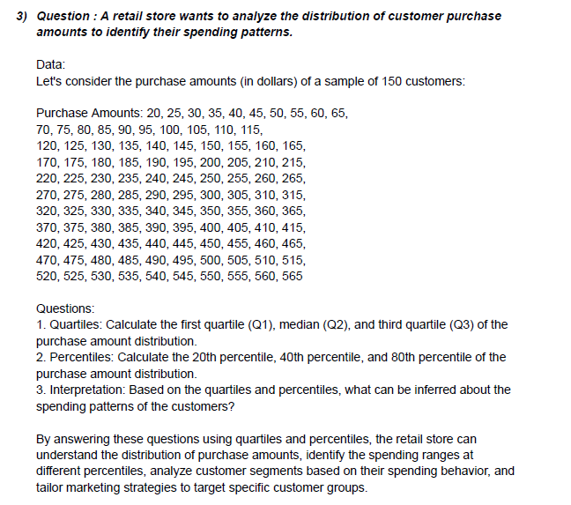
 | 20 | Q1 | 156.25
 | 25 | Q2 | 292.5
 | 30 | Q3 | 428.75
 | 35
 | 40 | 20 Percentile | 126
 | 45 | 40 Percentile | 237
 | 50 | 80 Percentile | 459
 | 55
 | 60
 | 65
 | 70
 | 75
 | 80
 | 85
 | 90
 | 95
 | 100
 | 105
 | 110
 | 115
 | 120
 | 125
 | 130
 | 135
 | 140
 | 145
 | 150
 | 155
 | 160
 | 165
 | 170
 | 175
 | 180
 | 185
 | 190
 | 195
 | 200
 | 205
 | 210
 | 215
 | 220
 | 225
 | 230
 | 235
 | 240
 | 245
 | 250
 | 255
 | 260
 | 265
 | 270
 | 275
 | 280
 | 285
 | 290
 | 295
 | 300
 | 305
 | 310
 | 315
 | 320
 | 325
 | 330
 | 335
 | 340
 | 345
 | 350
 | 355
 | 360
 | 365
 | 370
 | 375
 | 380
 | 385
 | 390
 | 395
 | 400
 | 405
 | 410
 | 415
 | 420
 | 425
 | 430
 | 435
 | 440
 | 445
 | 450
 | 455
 | 460
 | 465
 | 470
 | 475
 | 480
 | 485
 | 490
 | 495
 | 500
 | 505
 | 510
 | 515
 | 520
 | 525
 | 530
 | 535
 | 540
 | 545
 | 550
 | 555
 | 560
 | 565

 | 15 | Q1 | 163.75
 | 20 | Q2 | 312.5
 | 25 | Q3 | 461.25
 | 30
 | 35 | 30 Percentile | 191.5
 | 40 | 50 Percentile | 312.5
 | 45 | 70 Percentile | 433.5
 | 50
 | 55
 | 60
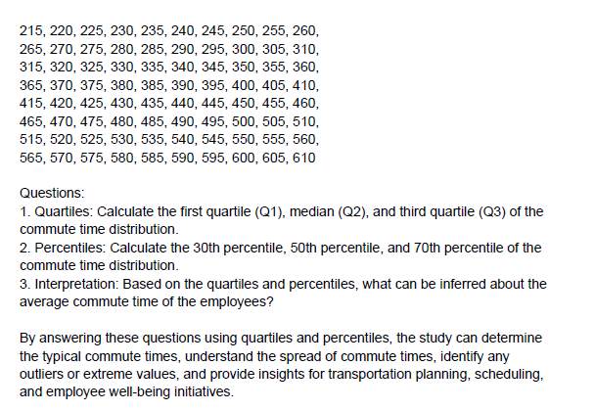
 | 65
 | 70
 | 75
 | 80
 | 85
 | 90
 | 95
 | 100
 | 105
 | 110
 | 115
 | 120
 | 125
 | 130
 | 135
 | 140
 | 145
 | 150
 | 155
 | 160
 | 165
 | 170
 | 175
 | 180
 | 185
 | 190
 | 195
 | 200
 | 205
 | 210
 | 215
 | 220
 | 225
 | 230
 | 235
 | 240
 | 245
 | 250
 | 255
 | 260
 | 265
 | 270
 | 275
 | 280
 | 285
 | 290
 | 295
 | 300
 | 305
 | 310
 | 315
 | 320
 | 325
 | 330
 | 335
 | 340
 | 345
 | 350
 | 355
 | 360
 | 365
 | 370
 | 375
 | 380
 | 385
 | 390
 | 395
 | 400
 | 405
 | 410
 | 415
 | 420
 | 425
 | 430
 | 435
 | 440
 | 445
 | 450
 | 455
 | 460
 | 465
 | 470
 | 475
 | 480
 | 485
 | 490
 | 495
 | 500
 | 505
 | 510
 | 515
 | 520
 | 525
 | 530
 | 535
 | 540
 | 545
 | 550
 | 555
 | 560
 | 565
 | 570
 | 575
 | 580
 | 585
 | 590
 | 595
 | 600
 | 605
 | 610

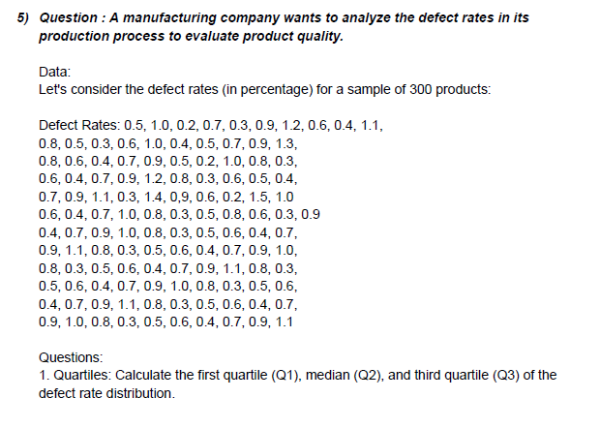
 | 0.2
 | 0.2 | Q1 | 0.5
 | 0.3 | Q2 | 0.7
 | 0.3 | Q3 | 0.9
 | 0.3
 | 0.3 | 25 Percentile | 0.5
 | 0.3 | 50 Percentile | 0.7
 | 0.3 | 75 Percentile | 0.9
 | 0.3
 | 0.3
 | 0.3
 | 0.4
 | 0.4
 | 0.4
 | 0.4
 | 0.4
 | 0.4
 | 0.4
 | 0.4
 | 0.4
 | 0.4
 | 0.4
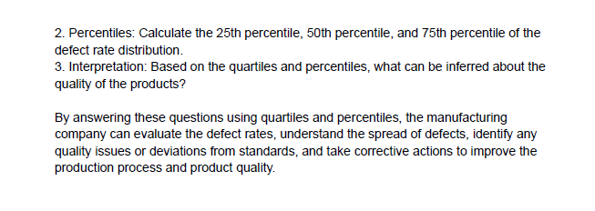
 | 0.4
 | 0.4
 | 0.5
 | 0.5
 | 0.5
 | 0.5
 | 0.5
 | 0.5
 | 0.5
 | 0.5
 | 0.5
 | 0.5
 | 0.5
 | 0.5
 | 0.5
 | 0.5
 | 0.6
 | 0.6
 | 0.6
 | 0.6
 | 0.6
 | 0.6
 | 0.6
 | 0.6
 | 0.6
 | 0.6
 | 0.6
 | 0.6
 | 0.6
 | 0.6
 | 0.6
 | 0.6
 | 0.7
 | 0.7
 | 0.7
 | 0.7
 | 0.7
 | 0.7
 | 0.7
 | 0.7
 | 0.7
 | 0.7
 | 0.7
 | 0.7
 | 0.7
 | 0.7
 | 0.7
 | 0.8
 | 0.8
 | 0.8
 | 0.8
 | 0.8
 | 0.8
 | 0.8
 | 0.8
 | 0.8
 | 0.8
 | 0.8
 | 0.8
 | 0.8
 | 0.8
 | 0.8
 | 0.8
 | 0.9
 | 0.9
 | 0.9
 | 0.9
 | 0.9
 | 0.9
 | 0.9
 | 0.9
 | 0.9
 | 0.9
 | 0.9
 | 0.9
 | 0.9
 | 0.9
 | 0.9
 | 1
 | 1
 | 1
 | 1
 | 1
 | 1
 | 1
 | 1
 | 1
 | 1
 | 1
 | 1
 | 1
 | 1
 | 1.1
 | 1.1
 | 1.1
 | 1.1
 | 1.1
 | 1.1
 | 1.1
 | 1.1
 | 1.1
 | 1.2
 | 1.2
 | 1.2
 | 1.3
 | 1.3
 | 1.4
 | 1.5

Questions on correlation and co
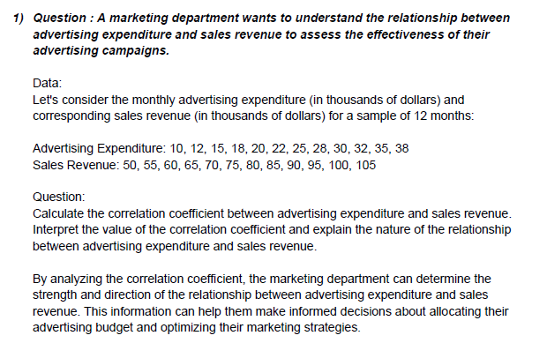
 | Advertising expenditure | Sales revenue
 | 10 | 50
 | 12 | 55
 | 15 | 60
 | 18 | 65
 | 20 | 70
 | 22 | 75
 | 25 | 80
 | 28 | 85
 | 30 | 90
 | 32 | 95
 | 35 | 100
 | 38 | 105

 |  | Advertising expenditure | Sales revenue
 | Advertising expenditure | 1
 | Sales revenue | 0.99921031004 | 1

 |  | Advertising expenditure | Sales revenue
 | Advertising expenditure | 75.854166667
 | Sales revenue | 150.20833333 | 297.91666667

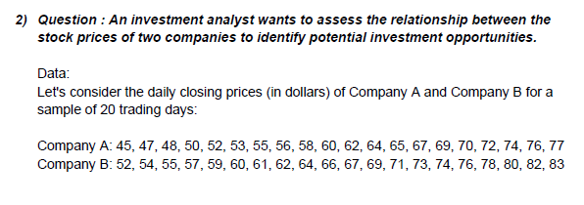
Company A | Company B
45 | 52
47 | 54
48 | 55
50 | 57
52 | 59
53 | 60
55 | 61
56 | 62
58 | 64
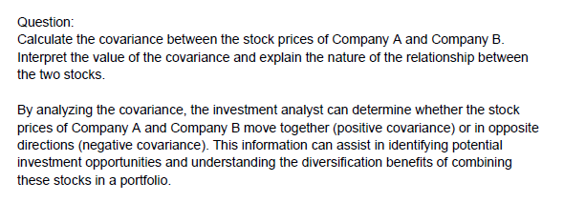
60 | 66
62 | 67
64 | 69
65 | 71
67 | 73
69 | 74
70 | 76
72 | 78
74 | 80
76 | 82
77 | 83

 | Company A | Company B
Company A | 96.8
Company B | 92.65 | 88.9275

 | Company A | Company B
Company A | 1
Company B | 0.998595727 | 1

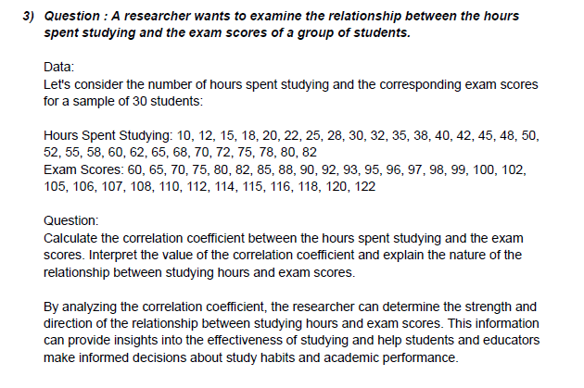
 | Hours spent studying | Exam Scores
 | 10 | 60
 | 12 | 65
 | 15 | 70
 | 18 | 75
 | 20 | 80
 | 22 | 82
 | 25 | 85
 | 28 | 88
 | 30 | 90
 | 32 | 92
 | 35 | 93
 | 38 | 95
 | 40 | 96
 | 42 | 97
 | 45 | 98
 | 48 | 99
 | 50 | 100
 | 52 | 102
 | 55 | 105
 | 58 | 106
 | 60 | 107
 | 62 | 108
 | 65 | 110
 | 68 | 112
 | 70 | 114
 | 72 | 115
 | 75 | 116
 | 78 | 118
 | 80 | 120
 | 82 | 122

 |  | Hours spent studying | Exam Scores
 | Hours spent studying | 1
 | Exam Scores | 0.97729508302 | 1

 |  | Hours spent studying | Exam Scores
 | Hours spent studying | 468.31222222
 | Exam Scores | 341.12222222 | 260.15555556

